Sheet1
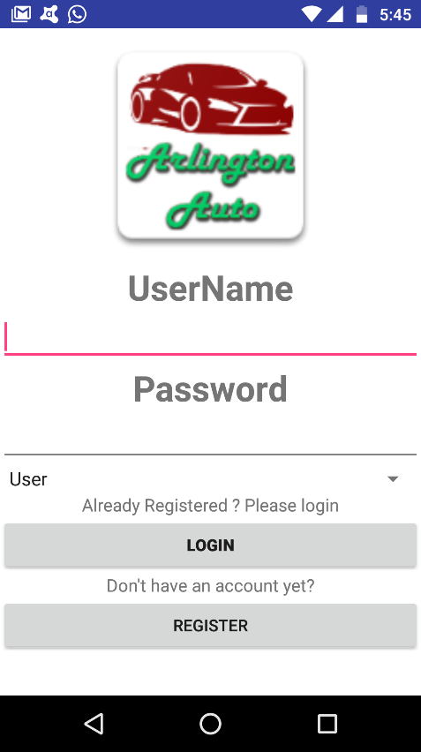
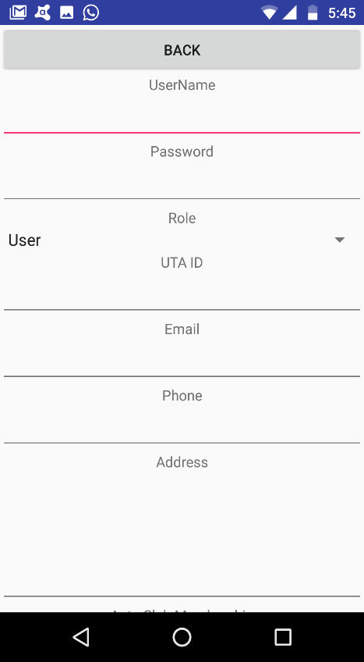
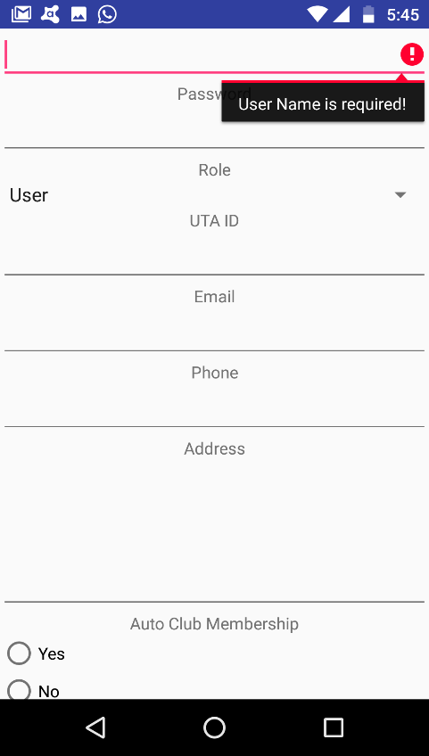
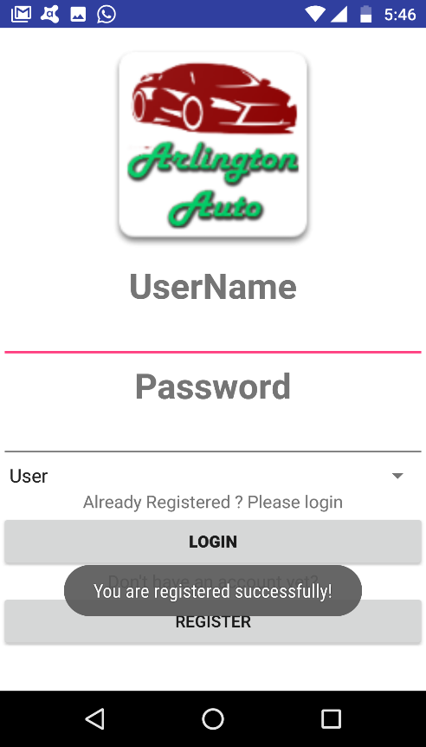
UC1 : Register
Pre-condition:The user is not registered and he/she cannot login into the system without registration

Actor:The System User |  | System: Car Rental System

1.TUCBW The user selects the register function, selects Register option from the Login/Registration page. |  | 0. System Displays Login / Registration page to the User (refer Figure 1.1)

3. The User enters the details UTAid/Username/password/selects role etc and click on the save button. |  | 4. *The system verify the user inputs and save it to the database and return confirmation message(refer Figure 1.3) | figure 1 |  | figure 2 |  |  | figure 3 |  |  |  | figure 4

5.TUCEW The user is redirected to the Login Page / Register page

Post-condition:Once the User is registered he/she can then login the system with his/her credentials

 |  |  | Figure 1.1 |  | Figure 1.2 |  |  | Figure 1.2 |  |  |  | Figure 1.3

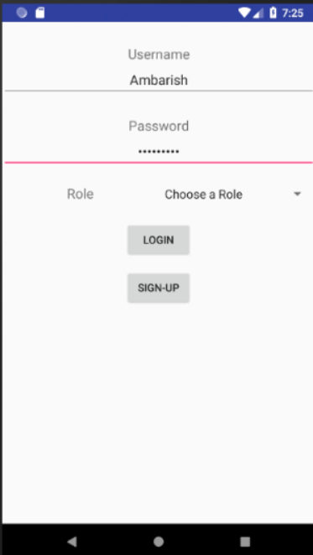
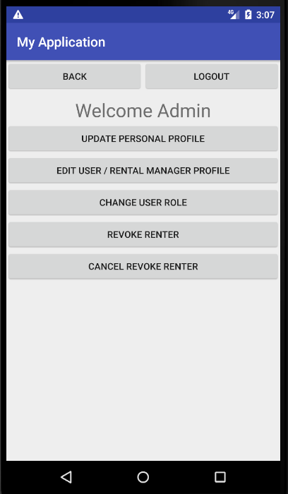
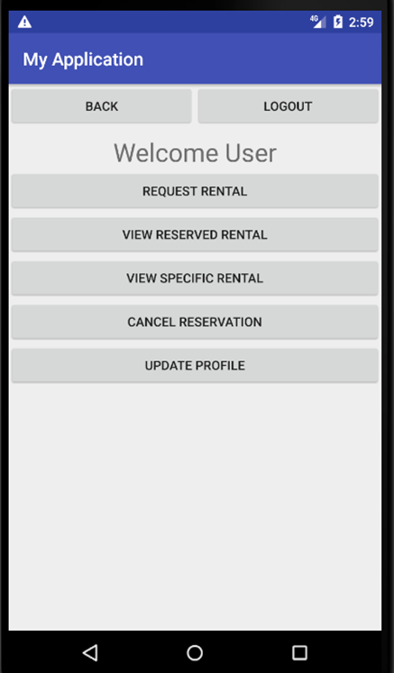
UC2 : Login
Pre-condition: The User need to have a account in car rental system.
Actor: The System User | System: Car Rental System
 | 0.System displays login screen (refer Figure 2.1)
1.TUCEW: The user enters credentials (username,role,password) and selects login function from login screen | 2. *The system displays different pages for different users, Admin is redirected to admin home screen(refer Figure 2.2) , Rental Manager is redirected to rental manager home screen(refer Figure 2.3), User is redirected to user home screen.(refer Figure 2.4)
3. TUCEW: The user is redirected to home page.
Post-condition: The user is successfully logged into the system.(and able to use functionalities) |  |  | Figure 2.1 |  |  |  |  |  | Figure 2.3

 |  |  | Figure 2.1 |  | Figure 2.2 |  |  |  | Figure 2.3 |  |  | Figure 2.4

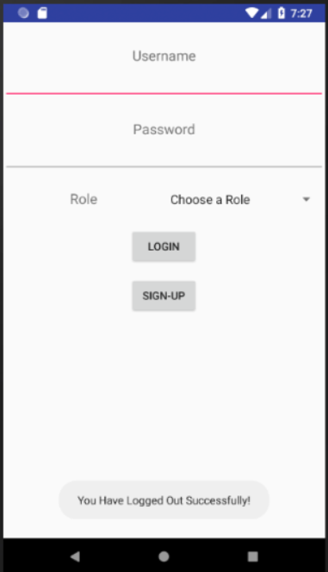

UC3 : Logout
Pre-condition: The user should be logged into the system
Actor: The System User | System: Car Rental System
 | 0.System:The system displays the current functionality screen the user is using. (refer figure 3.1)
1. TUCBW The System User can select this function from any screen. | 2. The system displays a toast message, that user logged out successfully.(refer figure 3.2)
3. TUCEW The System User is redirected to login/sign up screen.
Post-condition: The user is successfully logged into the system.(and able to use functionalities)

 |  |  | Figure 3.1 |  |  | Figure 3.2

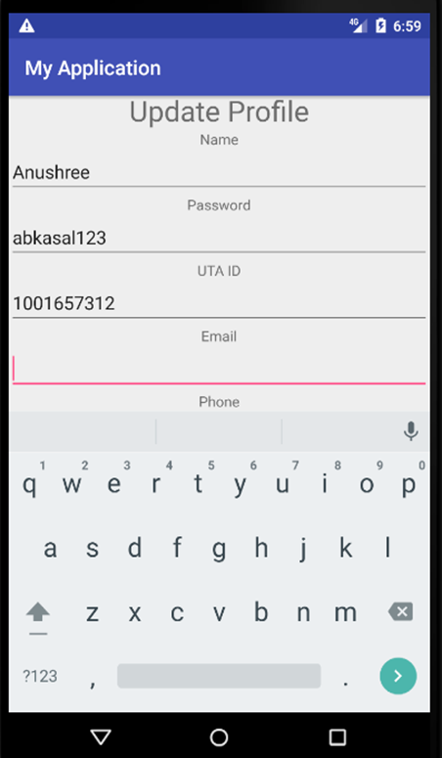
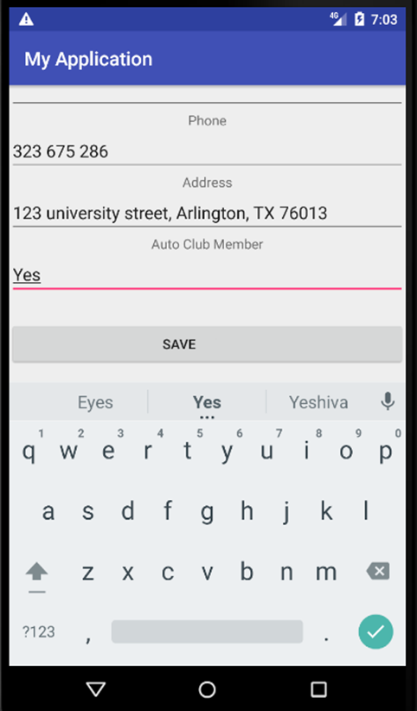

UC4 : Update profile
Pre-condition: The user is logged into the system.
Actor :User | System: Car Rental System
 | 0. System displays the user home screen.(refer Figure 4.1)
1.TUCBW the user selects the update profile function from user home screen. | 2.System displays the update profile screen .(refer Figure 4.2)
3. User shall modify the details of username,password,role,utaid,email,phone, address and click save. | 4. *System checks the submitted information and if it is correct it, returns back to user home page.(refer Figure 4.1)
5.TUCEW the user shall see the user home screen.
Post-condition: The user profile is updated.

 |  |  | Figure 4.1 |  |  | Figure 4.2 |  |  |  | Figure 4.3

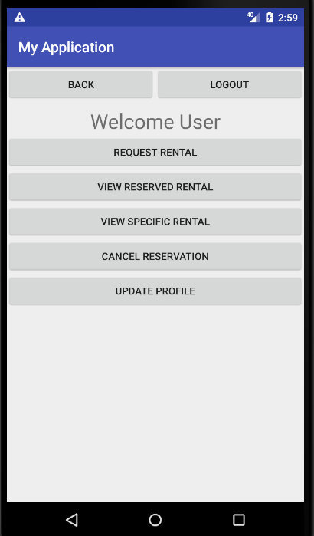
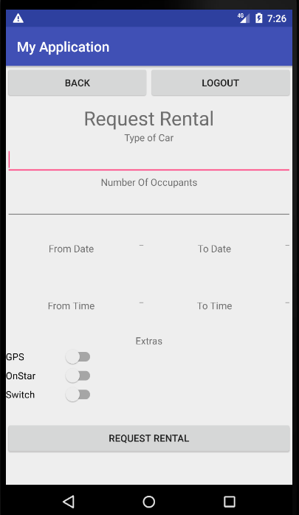
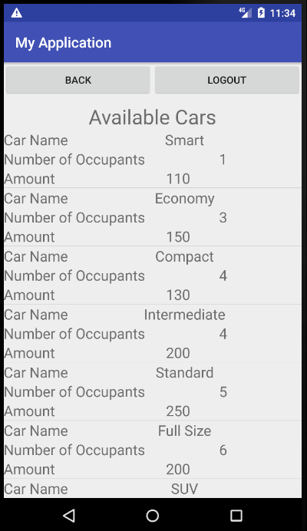
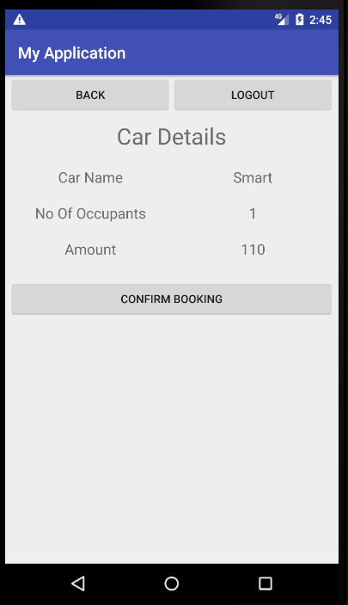
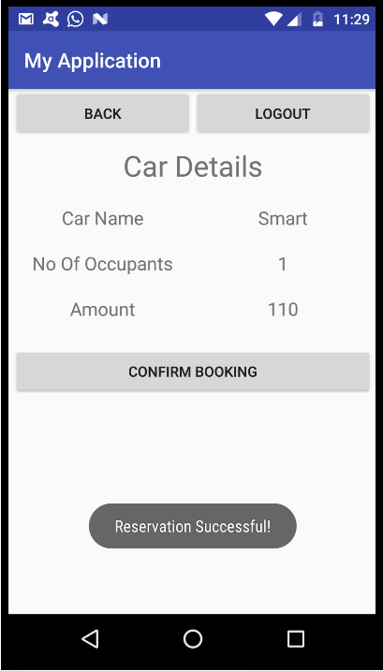
UC5 : Request Rental
Pre-condition: The User is logged into the system.

Actor: User |  | System: Car Rental System

 |  | 0. The system displays a list of functions in the User home screen. (refer Figure 5.1)

1. TUCBW the user selects Request Rental function from the User Home Screen. |  | 2. The system displays the Request Rental Screen. (refer Figure 5.2)

3. The user enters Type of car, number of occupants, From date, To date, From Time, To Time, Extras(GPS, OnStar, SiriusXM). |  | 4. *The system displays selectable list of available cars in Available car screen.(refer Figure 5.3)

5. The user selects a specific car from the selectable list of available cars. |  | 6. *The system displays the details of the selected car in Car Details screen and on confirmation from user reserves the rental and shows a toast message about successful reservation. (refer Figure 5.4, 5.5)

7. TUCEW The user confirms the booking to make car reservation.

Post-condition: The system reserves a rental for the user.

 |  |  | Figure 5.1 |  |  | Figure 5.2 |  |  |  | Figure 5.3 |  |  |  | Figure 5.4 |  |  | Figure 5.5

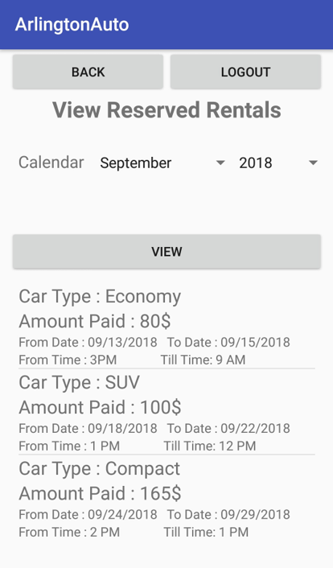

UC6 : View reserved rental
Pre-condition: The user should be logged into the system.

Actor:USER |  | System: Car Rental System

 |  | 0.System Displays the list of functions in User Homescreen. (refer Figure 6.1)

1. TUCBW the user selects the view reserved rentals function from the user home screen. |  | 2 . *The System displays the screen for viewing reserved rental having past and upcoming rides in separate tabs. The list is sorted ascendingly date wise by month and year filter. (refer Figure 6.2)

3. TUCEW the user sees the list of reserved rentals in selectable reserved rental screen.

Post-condition: The user is able to cancel the reservation

 |  |  |  |  |  | Figure 6.2
 |  |  | Figure 6.1

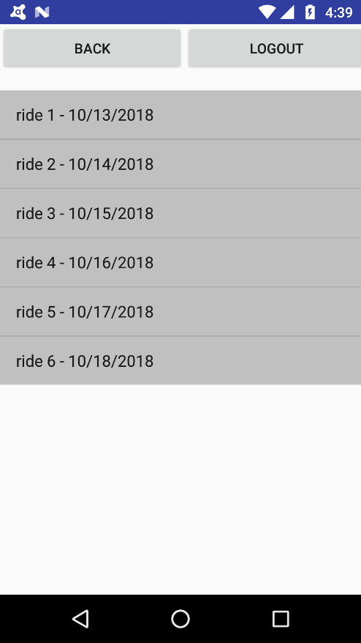
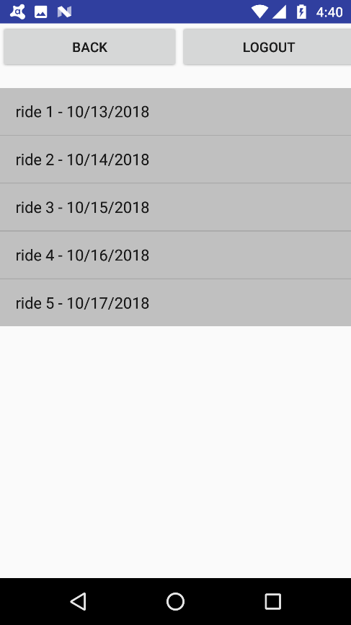

UC7 : Cancel reservation
Pre-condition: The user should have reservation so that he can select the reservation and cancel it.

Actor:USER/Rental Manager |  | System: Car Rental System

 |  | 0. System shows User / Manager home screen. (refer Figure 7.1 / 7.2)

1 . TUCBW the user selects cancel reserved rental from the home Screen. |  | 2. *System shows all the reserved rental with date (refer Figure7.3)

3. User can cancel any other any other reservation from the list again . |  | 4. *Once the reservation is canceled the system will show the user/ manager updated list (refer Figure 7.4) .

5. TUCEW the user sees the the car reservation cancelled and is redirected to selectable reserved rental screen.

Post-condition: The user is able to cancel the reservation |  |  | Figure 7.1 |  |  | Figure 7.2 |  |  |  | Figure 7.3 |  |  |  | Figure 7.4

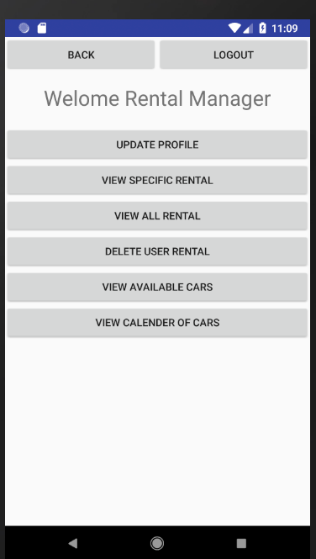

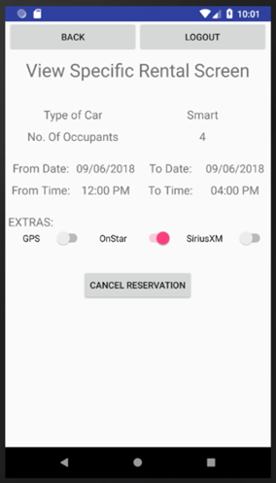

UC8 : View all rentals
Pre-condition: The User logged into the system should be a Rental Manager
Actor:Rental Manager | System: Car Rental System
 | 0.The system displays Rental Manager Screen .(refer Figure 8.1)
1. TUCBW The Rental Manager selects view all rentals function from Rental Manager's home screen. | 2. * The system shows details of all rentals.(refer Figure 8.2)
3. Rental Manager selects specific rentals to be viewed. | 4. *System shows details for specific rentals.(refer Figure 8.3)
5. TUCEW The Rental Manager is redirected to Rental Summary screen.
Post-condition: The Rental Manager is able to see all the desired details.

 |  |  |  | Figure 8.1 |  |  | Figure 8.2 |  |  |  | Figure 8.3



UC9 : View specific rentals
Pre-condition: The User logged into the system should be a Rental Manager
Actor:Rental Manager/User | System: Car Rental System
 | 0. System displays rental summary screen(screen containing rental details). (refer to Figure 9.1)
1. TUCBW The Rental Manager/User selects view specific rentals from reserved rentals summary screen. | 2. * System shows options to select specific rentals(refer Figure 9.1)
3. Rental Manager/User will select the specific rental from the summary screen. | 4. *System shows details for specific reservation .(refer Figure 9.2)
5. TUCEW The Rental Manager/User sees details of specific reservation on specific rental details screen.
Post-condition: The Rental Manager/User is able to see specific rental details.

 |  |  |  | Figure 9.1 |  |  | Figure 9.2

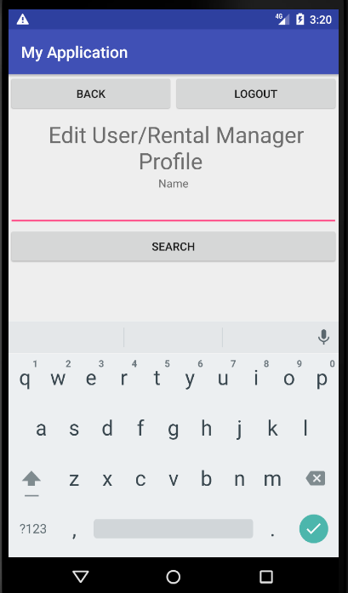
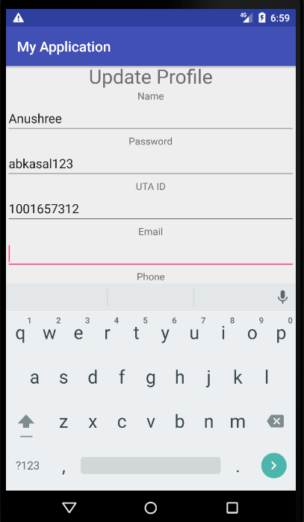
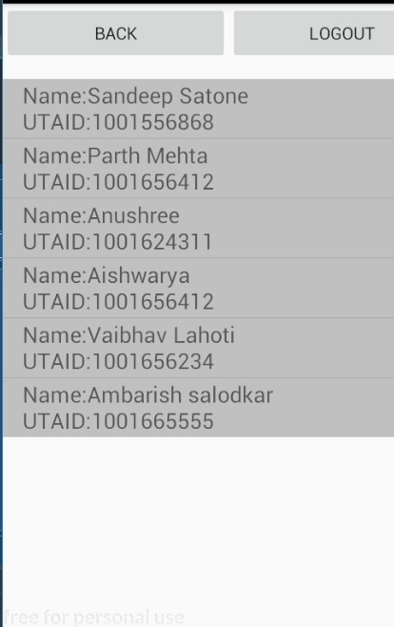
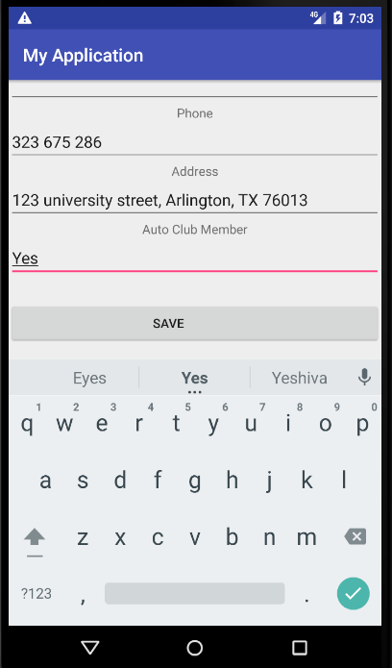
UC11 : Edit user,rental manager profile.
Pre-Condition: The user/rental manager should have registered to the Car Rental System.

Actor: Admin |  | System: Car Rental System

 |  | 0. The system displays the admin home screen.(refer Figure 11.1)

1. TUCBW the admin selects the edit user/rental manager function from admin home screen. |  | 2.The system displays edit user/rental manager profile screen.(refer Figure 11.2)

3. The admin enters the name and clicks on Search button. |  | 4. *The system displays selectable list of user/rental manager names that matches the search criteria.(refer Figure 11.3)

5.Admin selects the specific user/rental manager from the selectable list. |  | 6. * The system displays the specific user/ rental manager update profile screen.(refer Figure 11.4)

7.The admin can modify the user name , password, role, uta id, email, phone, address and click save. |  | 8. *The system shows a toast message that states update successful.(refer Figure 11.5)

9.TUCEW the admin is redirected to selectable user/rental manager screen to edit profile and on saving changes is redirected to admin home screen.

Post-Condition: The system shall modify the user/rental manager profile.

 |  |  | Figure 11.1 |  |  | Figure 11.2 |  |  |  |  | Figure 11.3 |  |  |  |  | Figure 11.4 |  |  | Figure 11.5

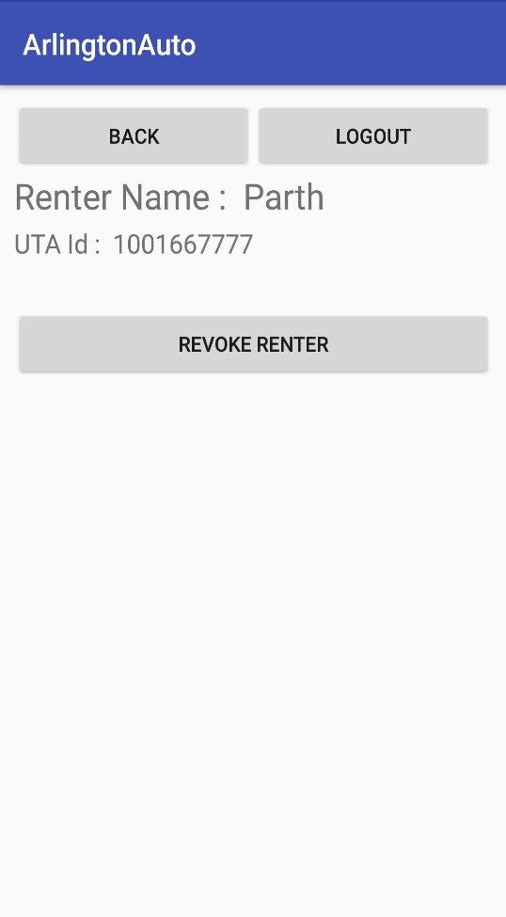
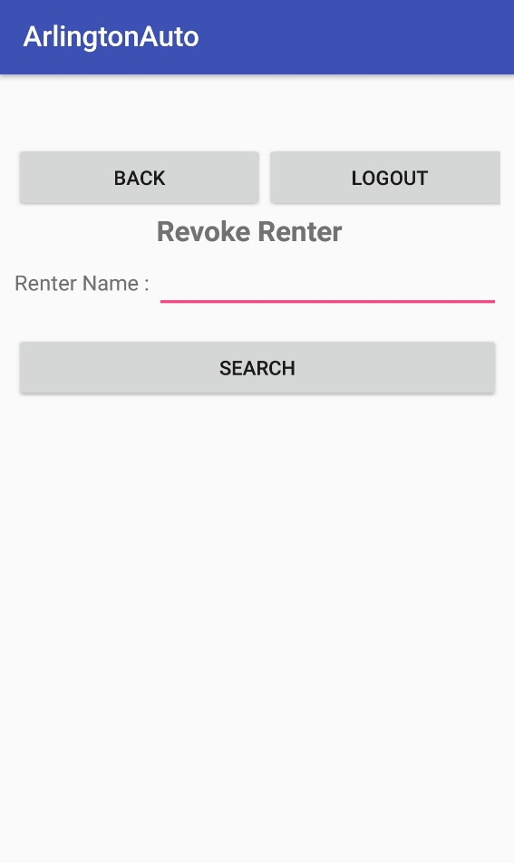
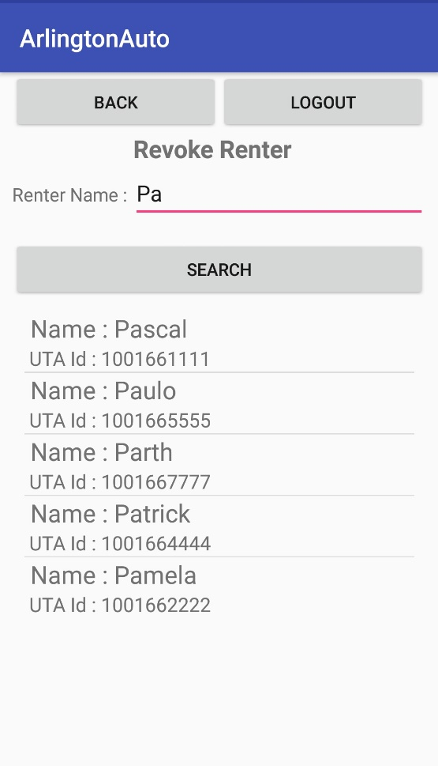
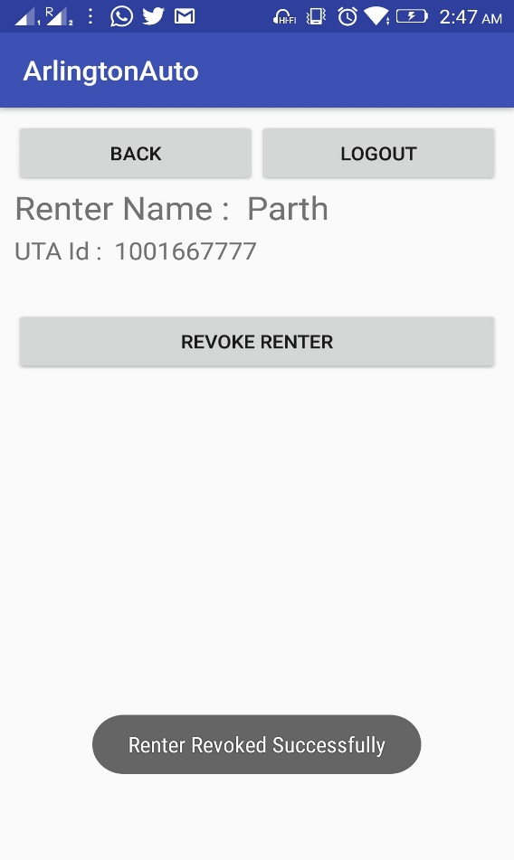
UC12 : Revoke renter
Pre-Condition: The admin should be logged into the system

Actor: Admin |  | System: Car Rental System

 |  | 0.System Displays the list of functions in Admin Homescreen. (refer Figure 12.1)

1. TUCBW the admin selects revoke renter from the home screen. |  | 2.System displays a screen to search for the user on basis of the user's name. (refer Figure 12.2)

3. The Admin types the user's name in the textbox and clicks the search button. |  | 4. *The system searches for the given name and displays a selectable list of users that are not revoked. (refer Figure 12.3)

5. The Admin shall select a particular user from the selectable list. |  | 6. *The System displays the revoke renter screen consisting of name, UTAid and Revoke Renter button. (refer Figure 12.4)

7. Admin shall select the revoke renter button. |  | 8.* The system shall revoke the renter and provides a toast message that 'Renter is revoked successfully'. The system cancels all the upcoming rentals made by that user. (refer Figure 12.5)

9.TUCEW the admin sees selectable screen of users to revoke renter.

Post-Condition: After revoking the renter all the upcoming rentals made in the name of that user will be cancelled. Also, the user will not be able to book a new rental. If a revoked renter tries to book a renter, then system will give a toast message that your rights have been revoked by the Admin.

 |  |  | Figure 12.1 |  |  | Figure 12.2 |  |  |  | Figure 12.3 |  |  |  |  | Figure 12.4 |  |  | Figure 12.5

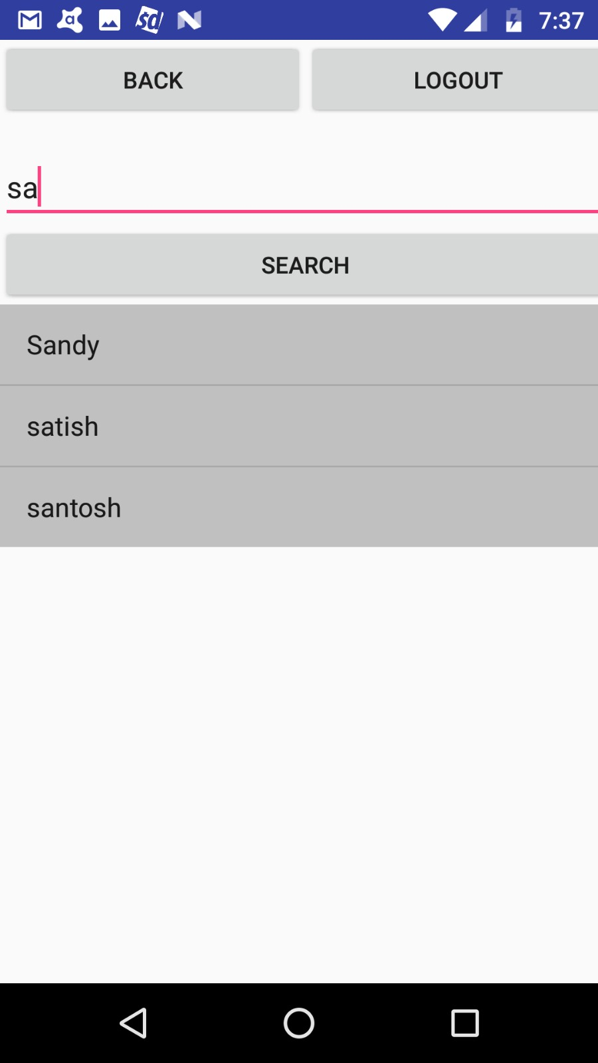
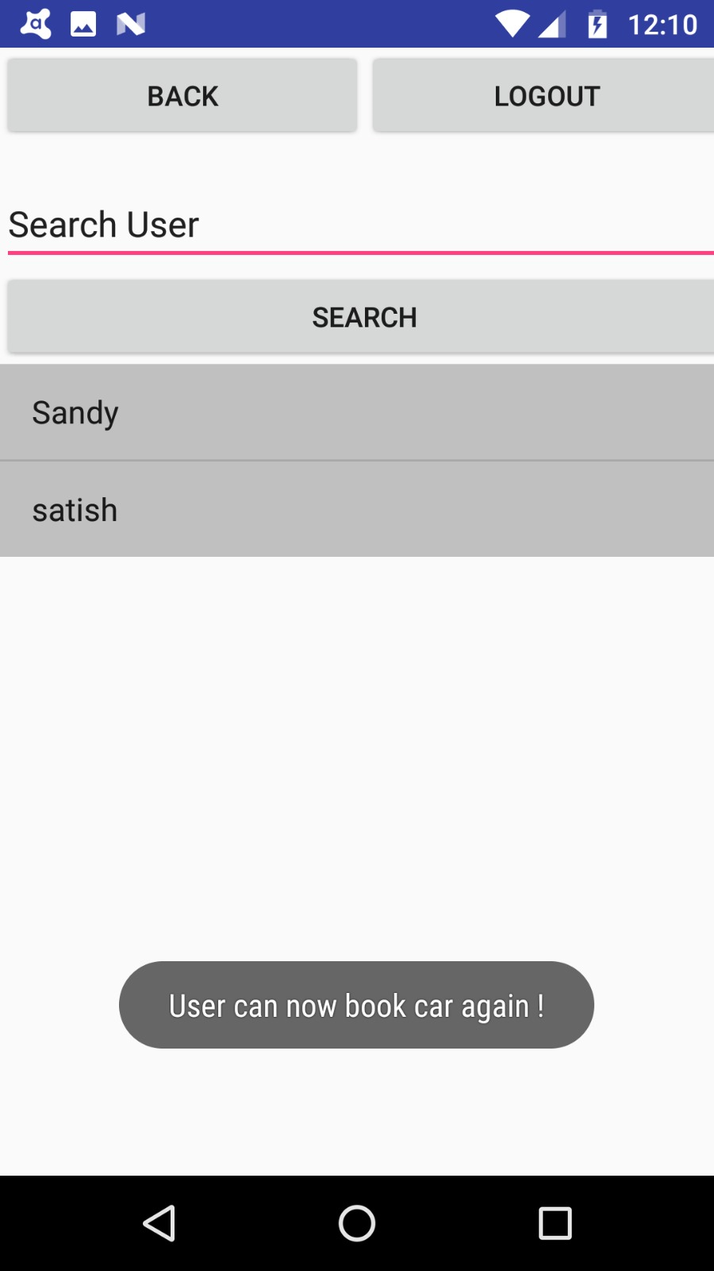

UC13 : Cancel revoke renter
Pre-condition: The User should be blacklisted for this use-case.

ACTOR:Admin |  | SYSTEM: Car Rental System

 |  | 0. The system displays the Admin home page to the Admin (refer figure 13.1)

1. TUCBW the admin selects cancel revoke function from admin home page |  | 2. *The system shows the Admin all the blacklisted renters in the form of selectable list (refer figure 13.2)

3. Admin select the required user from the list to remove his renting restrictions |  | 4.*The system removes the reservation restriction imposed on the user and create selectable list of remaining users, providing a toast message. (refer figure 13.3)

5.TUCEW the admin sees selectable list of remaining users for cancelling revoke renter.

Post-condition: Once the cancel revoke function is executed by the admin then the User is removed from the blacklist and he/she can reserve the rental

 |  |  | Figure 13.1 |  |  |  |  | Figure 13.2 |  |  |  |  | Figure 13.3

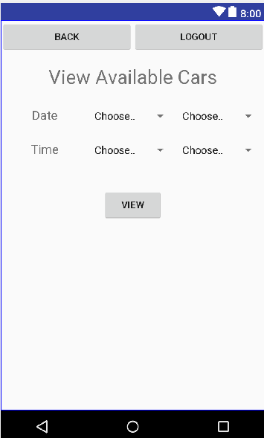

UC14 : View available cars
Pre-condition: The User logged into the system should be a Rental Manager
Actor: Rental Manager | System: Car Rental System
 | 0.System displays rental manager home screen(refer Figure 14.1)
1. TUCBW The Rental Manager selects view availble car function from Rental Manager home screen | 2. *The system displays date and time filter option.(refer Figure 14.2)
3. Rental Manager selects date and time and clicks on view. | 4.*System displays filtered list of available cars.(refer Figure 14.3)
5. TUCEW The Rental Manager sees list of available cars on screen.
Post-condition: The Rental Manager is able to see list of available cars.

 |  |  | Figure 14.1 |  |  |  | Figure 14.2 |  |  |  |  | Figure 14.3
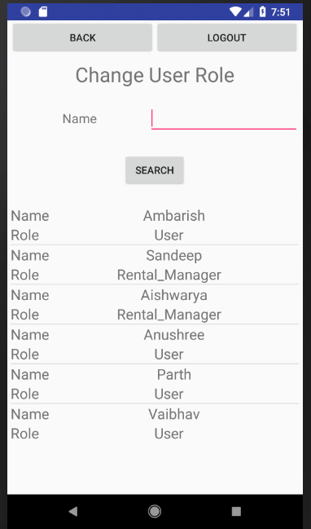
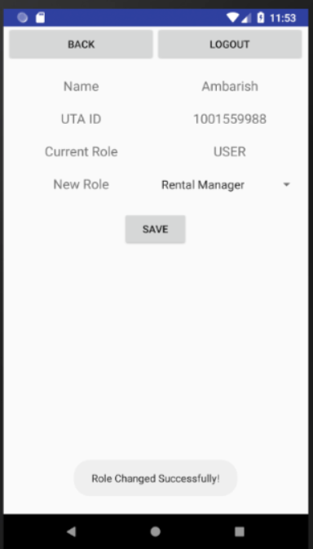
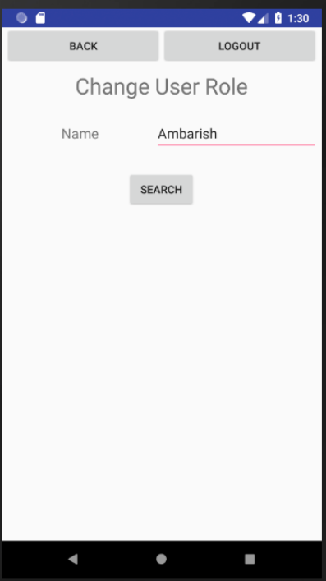
UC15 : - Change user role
Pre-condition: The User logged into the system should be an Admin
Actor: Admin | System: Car Rental System
 | 0.System displays Admin home screen.(refer Figure 15.1)
1. TUCBW The admin selects change user role function from list of functions on admin home screen. | 2.The system shows a screen where the admin can input a username whose role is to be changed. (refer fig 15.2)
3. The admin inputs username and selects role to be changed. | 4.*The system shows list of users (refer to figure 15.3)
5. The admin chooses a particular user from screen and assigns him a new role | 6. *The system displays "Role Changed Successfully" toast message. (refer figure 15.4)
7. TUCEW The admin changes role, is redirected to admin home screen.
Post-condition: The Admin must be able to successfully change the user role and as per the new role the user or rental manager can see his list of functions in their homepage.

 |  |  | Figure 15.1 |  |  |  | Figure 15.2 |  |  |  |  |  | Figure 15.3 |  |  |  | Figure 15.4

